Sheet1
DATE | INV NO. | DESCRIPTIONS | QTY | BILLS | PRICE | TOTAL | STATUS
2025-10-24 | 2510/FK-3018 | Striploin Ichi Brown | 11.02 | 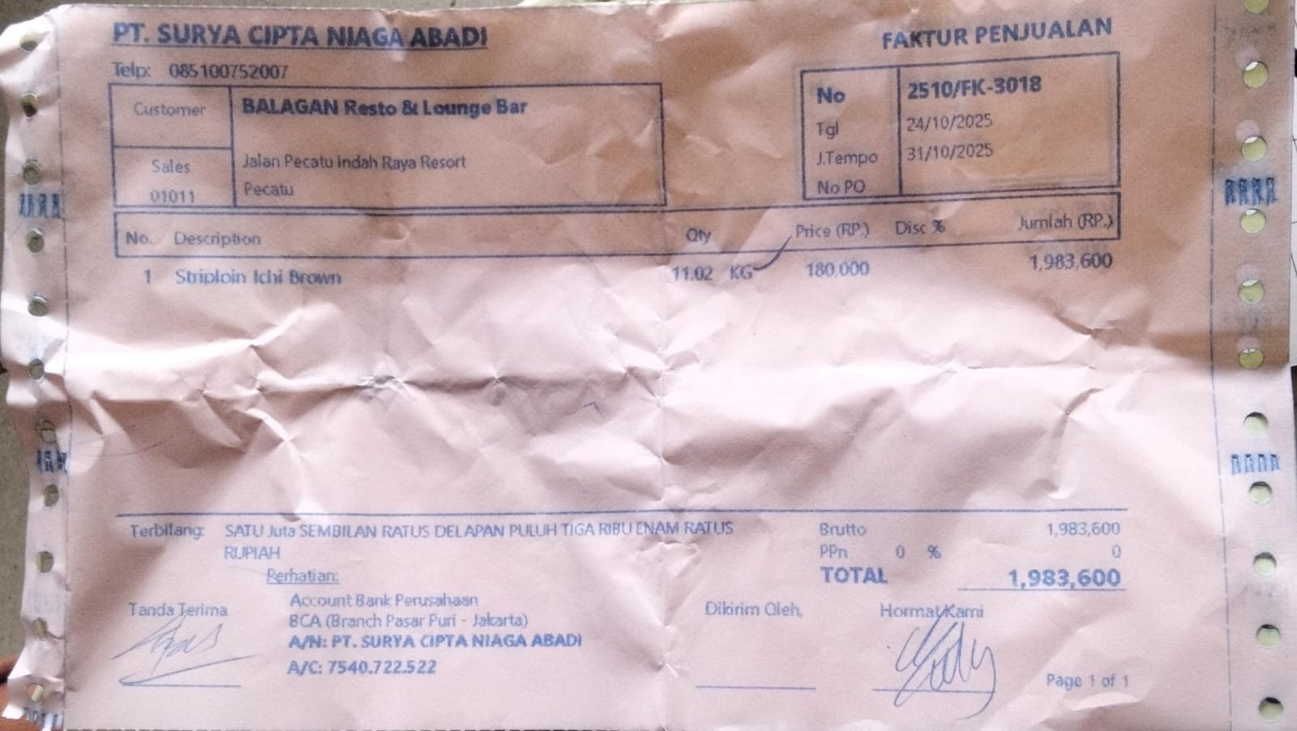 | Rp180,000 | Rp1,983,600
TOTAL |  |  |  | Rp1,983,600

